Minif & Maxif
**Use Name Range Concept
Q. For the student database given alongside, Find the min and max values for the grades.

Student | Scores | Grade |  | Min | Max | Grade
Student 1 | 62 | C |  | #NAME? |  | A
Student 2 | 92 | A |  |  |  | B
Student 3 | 52 | C |  |  |  | C
Student 4 | 60 | C |  |  |  | D
Student 5 | 81 | B |  |  |  | F
Student 6 | 66 | C
Student 7 | 63 | C
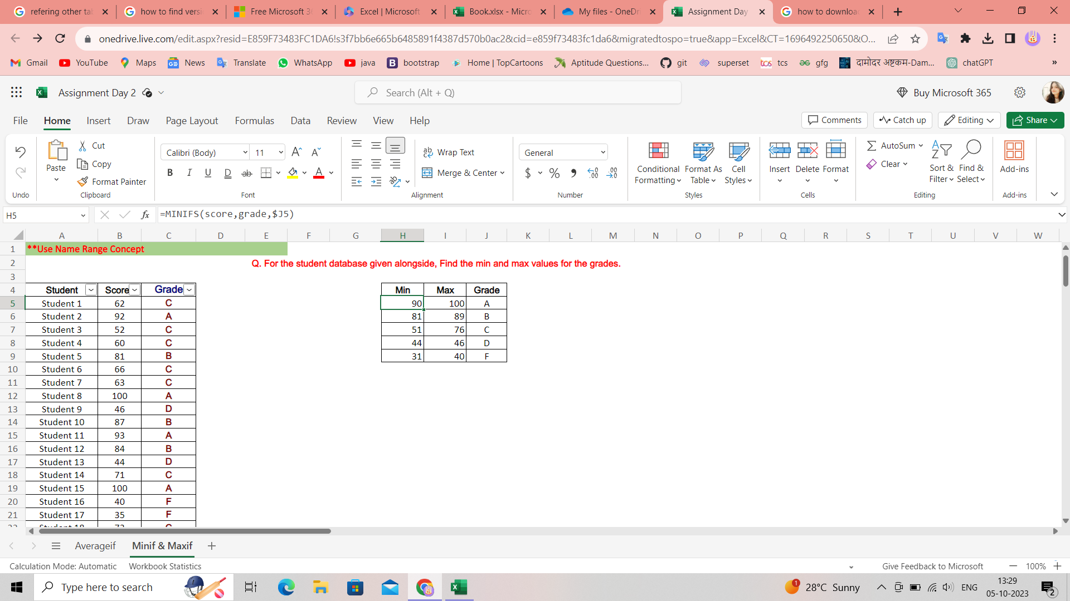
Student 8 | 100 | A | the minif and maxif formulae were not available on the offline excel app for me so I have performed this on excel web
Student 9 | 46 | D
Student 10 | 87 | B
Student 11 | 93 | A
Student 12 | 84 | B
Student 13 | 44 | D
Student 14 | 71 | C
Student 15 | 100 | A
Student 16 | 40 | F
Student 17 | 35 | F
Student 18 | 73 | C
Student 19 | 99 | A
Student 20 | 88 | B
Student 21 | 90 | A
Student 22 | 90 | A
Student 23 | 44 | D
Student 24 | 74 | C
Student 25 | 46 | D
Student 26 | 74 | C
Student 27 | 92 | A
Student 28 | 31 | F
Student 29 | 51 | C
Student 30 | 59 | C
Student 31 | 85 | B
Student 32 | 63 | C
Student 33 | 60 | C
Student 34 | 83 | B
Student 35 | 72 | C
Student 36 | 94 | A
Student 37 | 92 | A
Student 38 | 92 | A
Student 39 | 59 | C
Student 40 | 51 | C
Student 41 | 45 | D
Student 42 | 89 | B
Student 43 | 51 | C
Student 44 | 84 | B
Student 45 | 32 | F
Student 46 | 73 | C
Student 47 | 44 | D
Student 48 | 81 | B
Student 49 | 76 | C
Student 50 | 89 | B

